Sheet1
 |  |  |  |  |  |  |  |  |  | € / бр. | € / бр.
Picture | Item No. | Description | Size (CM) | Frame | FOB | QTY | Total | volume(m3) | Total volume | китай | БГ | лв с ддс
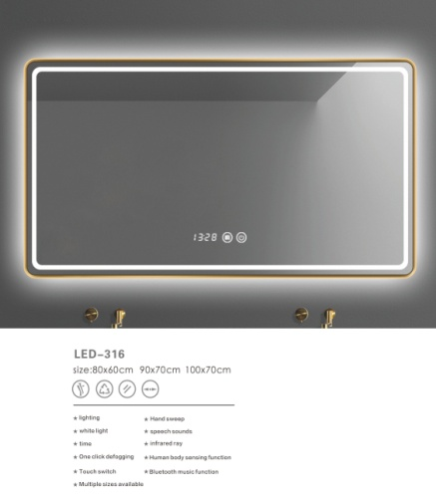 | 316 | 1.Installation: Wall-mounted, with 2 hooks 2.Lamp Type: water proof LED light 3.Switch Type: touch switch 4.Input:110V-240V，AC:50/60Hz 5.frame:with Aluminumn 6.Copper free mirror: 5 mm Edge Polished, 7.CE Rhos Led driver,2 years guarrantee 8.aluminium frames,antifog, dimmer | 80*60（Black) | Black | $43.0 | 30 | $1,290 | 0.032 | 0.960 | 41.35 € | 47.34 € | 112.00 лв.
 |  |  | 90*70（Black) | Black | $48.0 | 20 | $960 | 0.041 | 0.820 | 46.15 € | 52.85 € | 125.00 лв.
 |  |  | 100*70（Black) | Black | $51.0 | 10 | $510 | 0.045 | 0.450 | 49.04 € | 56.15 € | 132.00 лв.
 |  |  | 80*60（Gold) | Gold | $43.0 | 10 | $430 | 0.032 | 0.320 | 41.35 € | 47.34 € | 111.00 лв.
 |  |  | 90*70（Gold) | Gold | $48.0 | 10 | $480 | 0.041 | 0.410 | 46.15 € | 52.85 € | 125.00 лв.
 |  |  | 100*70（Gold) | Gold | $51.0 | 10 | $510 | 0.045 | 0.450 | 49.04 € | 56.15 € | 132.00 лв.
 |  |  | 80*60（Silver) | Silver | $43.0 | 10 | $430 | 0.032 | 0.320 | 41.35 € | 47.34 € | 112.00 лв.
 |  |  | 90*70（Silver) | Silver | $48.0 | 10 | $480 | 0.041 | 0.410 | 46.15 € | 52.85 € | 125.00 лв.
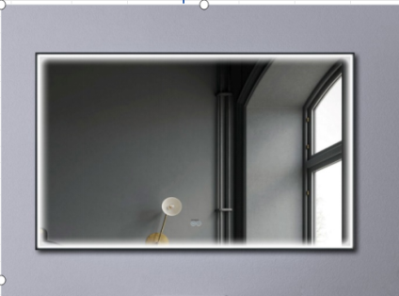 | 317 | 1.Installation: Wall-mounted, with 2 hooks 2.Lamp Type: water proof LED light 3.Switch Type: touch switch 4.Input:110V-240V，AC:50/60Hz 5.frame:Aluminumn 6.Copper free mirror: 5 mm Edge Polished 7.CE Rhos Led driver,2 years guarrantee 8.double switch.antifog, dimmer | 80*60 | Gold | $43.0 | 20 | $860 | 0.032 | 0.640 | 41.35 € | 47.34 € | 111.00 лв.
 |  |  | 70*90 | Gold | $48.0 | 20 | $960 | 0.041 | 0.820 | 46.15 € | 52.85 € | 125.00 лв.
 |  |  | 100*70 | Gold | $51.0 | 20 | $1,020 | 0.045 | 0.900 | 49.04 € | 56.15 € | 132.00 лв.
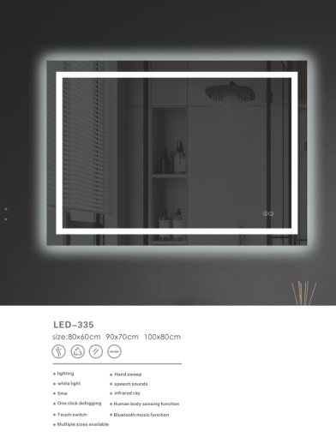 | 335 | 1.Installation: Wall-mounted, with 2 hooks 2.Lamp Type: water proof LED light 3.Switch Type: touch switch 4.Input:110V-240V，AC:50/60Hz 5.frame: Aluminumn 6.Copper free mirror: 5 mm Edge Polished 7.CE Rhos Led driver,2 years guarrantee 8.double switch.antifog, dimmer | 80*60 |  | $33.0 | 30 | $990 | 0.032 | 0.960 | 31.73 € | 36.33 € | 86.00 лв.
 |  |  | 70*70 |  | $33.0 | 30 | $990 | 0.032 | 0.960 | 31.73 € | 36.33 € | 86.00 лв.
 |  |  | 60*80 |  | $33.0 | 30 | $990 | 0.032 | 0.960 | 31.73 € | 36.33 € | 86.00 лв.
 |  |  | 90*70 |  | $36.0 | 20 | $720 | 0.041 | 0.820 | 34.62 € | 39.63 € | 94.00 лв.
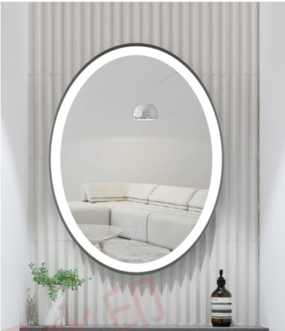 | 332 | 1.Installation: Wall-mounted, with 2 hooks 2.Lamp Type: water proof LED light 3.Switch Type: touch switch 4.Input:110V-240V，AC:50/60Hz 5.frame:Aluminumn 6.Copper free mirror: 5 mm Edge Polished 7.CE Rhos Led driver,2 years guarrantee 8.double switch.antifog, dimmer | 60*80 | Black | $33.0 | 20 | $660 | 0.032 | 0.640 | 31.73 € | 36.33 € | 86.00 лв.
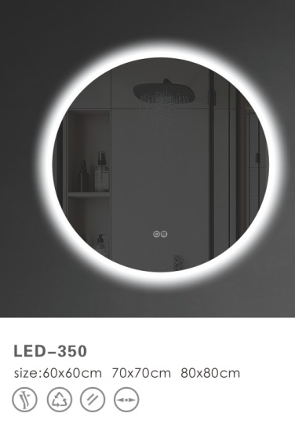 | 350 | 1.Installation: Wall-mounted, with 2 hooks 2.Lamp Type: water proof LED light 3.Switch Type: touch switch 4.Input:110V-240V，AC:50/60Hz 5.frame:Aluminumn 6.Copper free mirror: 5 mm Edge Polished 7.CE Rhos Led driver,2 years guarrantee 8.double switch.antifog, dimmer | 50*50 |  | $30.0 | 20 | $600 | 0.020 | 0.400 | 28.85 € | 33.03 € | 78.00 лв.
 |  |  | 60*60 |  | $33.0 | 80 | $2,640 | 0.025 | 2.000 | 31.73 € | 36.33 € | 86.00 лв.
 |  |  | 70*70 |  | $36.0 | 60 | $2,160 | 0.032 | 1.920 | 34.62 € | 39.63 € | 94.00 лв.
 |  |  | 80*80 |  | $39.0 | 60 | $2,340 | 0.041 | 2.460 | 37.50 € | 42.94 € | 101.00 лв.
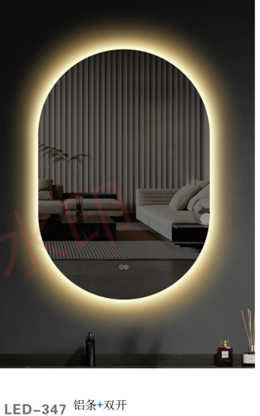 | 347 | 1.Installation: Wall-mounted, with 2 hooks 2.Lamp Type: water proof LED light 3.Switch Type: touch switch 4.Input:110V-240V，AC:50/60Hz 5.frame:Aluminumn 6.Copper free mirror: 5 mm Edge Polished 7.CE Rhos Led driver,2 years guarrantee 8.double switch,antifog, dimmer | 60*80 |  | $33.0 | 40 | $1,320 | 0.032 | 1.280 | 31.73 € | 36.33 € | 86.00 лв.
 | 346 | 1.Installation: Wall-mounted, with 2 hooks 2.Lamp Type: water proof LED light 3.Switch Type: touch switch 4.Input:110V-240V，AC:50/60Hz 5.frame:Aluminumn 6.Copper free mirror: 5 mm Edge Polished 7.CE Rhos Led driver,2 years guarrantee 8.double switch,antifog, dimmer | 60*80 |  | $33.0 | 30 | $990 | 0.032 | 0.960 | 31.73 € | 36.33 € | 86.00 лв.
 |  |  | 70*90 |  | $36.0 | 30 | $1,080 | 0.041 | 1.230 | 34.62 € | 39.63 € | 94.00 лв.
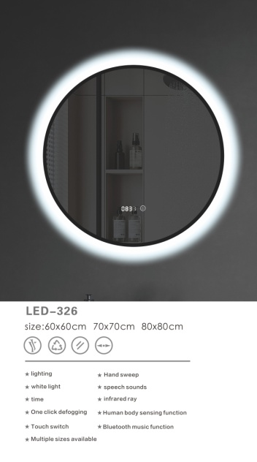 | 326 | 1.Installation: Wall-mounted, with 2 hooks 2.Lamp Type: water proof LED light 3.Switch Type: touch switch 4.Input:110V-240V，AC:50/60Hz 5.frame:with Black Aluminumn 6.Copper free mirror: 5 mm Edge Polished 7.CE Rhos Led driver,2 years guarrantee 8.double switch,clock,antifog, dimmer | 60*60 | Black | $39.0 | 40 | $1,560 | 0.025 | 1.000 | 37.50 € | 42.94 € | 101.00 лв.
 |  |  | 70*70 | Black | $43.0 | 30 | $1,290 | 0.032 | 0.960 | 41.35 € | 47.34 € | 112.00 лв.
 |  |  | 80*80 | Black | $48.0 | 30 | $1,440 | 0.041 | 1.230 | 46.15 € | 52.85 € | 125.00 лв.
 |  | 1.Installation: Wall-mounted, with 2 hooks 2.Lamp Type: water proof LED light 3.Switch Type: touch switch 4.Input:110V-240V，AC:50/60Hz 5.frame:with Black Aluminumn 6.Copper free mirror: 5 mm Edge Polished 7.CE Rhos Led driver,2 years guarrantee 8.double switch,clock,antifog, dimmer | 60*60 | Gold | $39.0 | 20 | $780 | 0.025 | 0.500 | 37.50 € | 42.94 € | 101.00 лв.
 |  |  | 70*70 | Gold | $43.0 | 20 | $860 | 0.032 | 0.640 | 41.35 € | 47.34 € | 111.00 лв.
 |  |  | 80*80 | Gold | $48.0 | 20 | $960 | 0.041 | 0.820 | 46.15 € | 52.85 € | 125.00 лв.
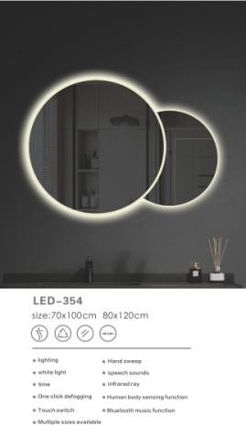 | 354 | 1.Installation: Wall-mounted, with 2 hooks 2.Lamp Type: water proof LED light 3.Switch Type: touch switch 4.Input:110V-240V，AC:50/60Hz 5.frame:with Aluminumn 6.Copper free mirror: 5 mm Edge Polished 7.CE Rhos Led driver,2 years guarrantee 8.double switch,antifog, dimmer | 70*100 |  | $47.0 | 30 | $1,410 | 0.045 | 1.350 | 45.19 € | 51.75 € | 121.70 лв.
 |  |  | 70*120 |  | $54.0 | 20 | $1,080 | 0.052 | 1.040 | 51.92 € | 59.45 € | 139.83 лв.
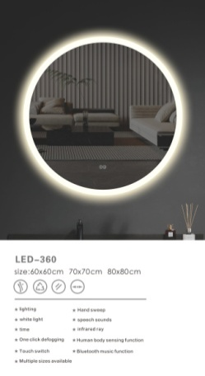 | 360 | 1.Installation: Wall-mounted, with 2 hooks 2.Lamp Type: water proof LED light 3.Switch Type: touch switch 4.Input:110V-240V，AC:50/60Hz 5.frame:Aluminumn 6.Copper free mirror: 5 mm Edge Polished 7.CE Rhos Led driver,2 years guarrantee 8.double switch.antifog, dimmer | 50*50 |  | $29.0 | 20 | $580 | 0.020 | 0.400 | 27.88 € | 31.93 € | 75.00 лв.
 |  |  | 60*60 |  | $33.0 | 40 | $1,320 | 0.025 | 1.000 | 31.73 € | 36.33 € | 86.00 лв.
 |  |  | 70*70 |  | $36.0 | 30 | $1,080 | 0.032 | 0.960 | 34.62 € | 39.63 € | 94.00 лв.
 |  |  | 80*80 |  | $39.0 | 30 | $1,170 | 0.041 | 1.230 | 37.50 € | 42.94 € | 101.00 лв.
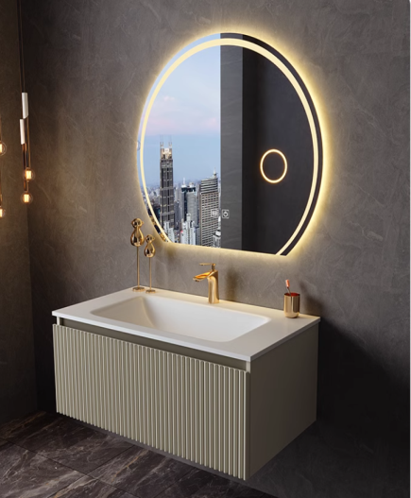 | 7204A | 1. PVC 15MM, main cabinet high gloss painting Soft closing Sepcial DTC Slide drawers , Which can be displayed 2.With high quality ceramic basin 3.Cabinet without sink is45 cm, drawer height not less than 18 cm. | Main cabinet 60*48*54 | main cabinet | $82.00 | 35 | $2,870 | 0.200 | 7.000 | 78.85 € | 89.41 € | 210.00 лв.
 |  |  | Main cabinet 700*480*540mm | main cabinet | $86.00 | 35 | $3,010 | 0.230 | 8.050 | 82.69 € | 93.77 € | 220.00 лв.
 |  |  | Main cabinet 800*480*540mm | main cabinet | $91.00 | 25 | $2,275 | 0.260 | 6.500 | 87.50 € | 99.23 € | 234.00 лв.
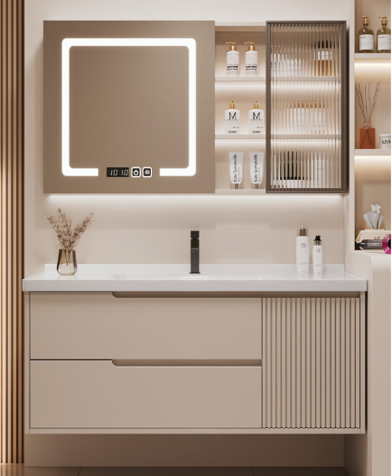 | 7107 | 1. PVC 15MM, main cabinet high gloss painting Soft closing Sepcial DTC Slide drawers , Which can be displayed and soft closing door, 2.With high quality ceramic basin 3.Cabinet without sink is 54cm, for 60cm , there are two drawers no door, but drawer face with lines. first drawer is 11cm ,second drawer is 14-15cm | Main cabinet 600*480*540mm | main cabinet | $90.00 | 30 | $2,700 | 0.200 | 6.000 | 86.54 € | 98.13 € | 231.00 лв.
 |  |  | Main cabinet 700*480*540mm | main cabinet | $94.00 | 30 | $2,820 | 0.230 | 6.900 | 90.38 € | 102.50 € | 242.00 лв.
 |  |  | Main cabinet 800*480*540mm | main cabinet | $101.00 | 30 | $3,030 | 0.260 | 7.800 | 97.12 € | 110.13 € | 260.00 лв.
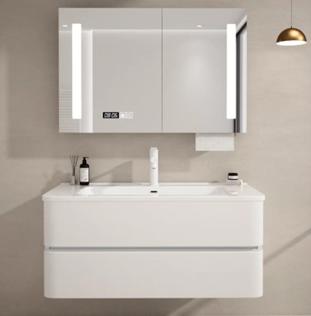 | 7139A | 1. PVC 15MM, mirror cabinet high gloss painting Soft closing hinge,Which can be displayed 2.5mm copper free led mirror cabinet,3 colors led changeable, antifog, | mirror cabinet 600*150*700mm | mirror cabinet | 55 | 35 | 1925 | 0.1 | 3.5 | 52.884615385 | 59.971153846 | 141.00 лв.
 |  |  | mirror cabinet 700*150*750mm | mirror cabinet | 59 | 35 | 2065 | 0.12 | 4.2 | 56.730769231 | 64.332692308 | 152.00 лв.
 |  |  | mirror cabinet 800*150*750mm | mirror cabinet | 62 | 25 | 1550 | 0.14 | 3.5 | 59.615384615 | 67.603846154 | 159.00 лв.
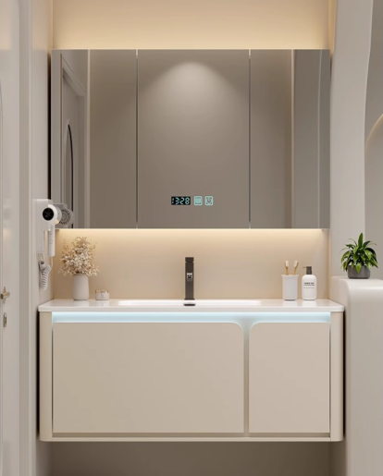 | 7118B | 1. PVC 15MM, main cabinet high gloss painting Soft closing Sepcial DTC Slide drawers , Which can be displayed and soft closing door, cabinet without light 2.With high quality ceramic basin. 3.Cabinet without sink is 45 cm, drawer height not less than 18 cm. | Main cabinet 600*480*540mm | main cabinet | $92.00 | 30 | $2,760 | 0.200 | 6.000 | 88.46 € | 100.32 € | 236.00 лв.
 |  |  | Main cabinet 700*480*540mm | main cabinet | $96.00 | 30 | $2,880 | 0.230 | 6.900 | 92.31 € | 104.68 € | 246.00 лв.
 |  |  | Main cabinet 800*480*540mm | main cabinet | $102.00 | 30 | $3,060 | 0.260 | 7.800 | 98.08 € | 111.22 € | 262.00 лв.
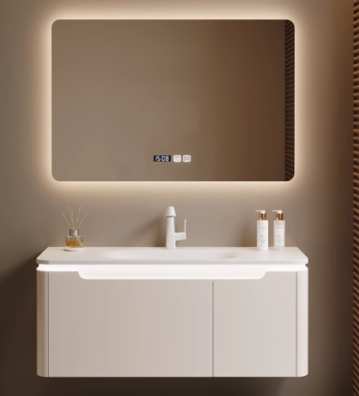 | 7127A | 1. PVC 15MM, main cabinet high gloss painting Soft closing Sepcial DTC Slide drawers , Which can be displayed and soft closing door, cabinet without light 2.With high quality ceramic basin. 3.Cabinet without sink is 45 cm, drawer height not less than 18 cm. 5. 5mm copper free led mirror cabinet,3 colors led changeable, antifog, | led mirror 900*700mm | led mirror | $38.00 | 15 | $570 | 0.041 | 0.615 | 36.54 € | 41.43 € | 98.00 лв.
 |  |  | Main cabinet 900*480*540mm | main cabinet | $102.00 | 15 | $1,530 | 0.300 | 4.500 | 98.08 € | 111.22 € | 262.00 лв.
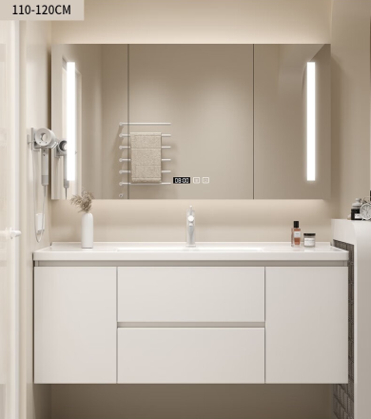 | 7102C | 1. PVC 15MM, main cabinet high gloss painting Soft closing Sepcial DTC Slide drawers , Which can be displayed and soft closing door, 2.With high quality ceramic basin 3.5mm copper free led mirror cabinet , 3 colors led changeable, antifog 4. 3.Cabinet without sink is 54cm, first drawer is 11cm ,second drawer is 14-15cm | mirror cabinet 1000*150*750mm | mirror cabinet | $77.00 | 1 | $77 | 0.170 | 0.170 | 74.04 € | 82.92 € | 195.00 лв.
 |  |  | Main cabinet 1000*480*540mm | main cabinet | $110.00 | 1 | $110 | 0.330 | 0.330 | 105.77 € | 118.46 € | 279.00 лв.
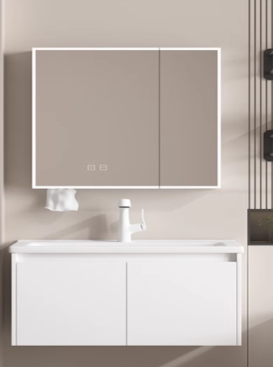 | 7140B | 1. PVC 15MM, main cabinet high gloss painting Soft closing hinge , Which can be displayed and soft closing door, 2.With high quality ceramic basin 3.5mm copper free led mirror cabinet , 3 colors led changeable, antifog | mirror cabinet 700*150*750mm | mirror cabinet | $58.00 | 1 | $58 | 0.120 | 0.120 | 55.77 € | 62.46 € | 147.00 лв.
 |  |  | Main cabinet 700*480*540mm | main cabinet | $81.00 | 1 | $81 | 0.230 | 0.230 | 77.88 € | 87.23 € | 205.00 лв.
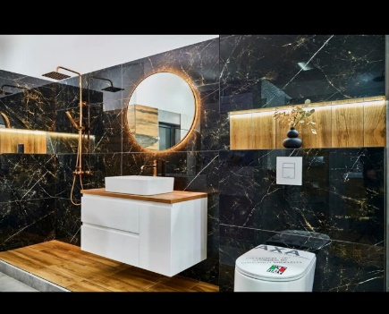 | 1001 | 1. PVC 15MM, main cabinet high gloss painting Soft closing Sepcial DTC Slide drawers , Which can be displayed and soft closing door, 2. 2 drawer only cabinet, with board, without sink | 600*400*440 | main cabinet | $77.00 | 2 | $154 | 0.200 | 0.400 | 74.04 € | 82.92 € | 195.00 лв.
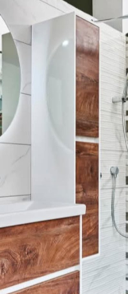 | 7623С | 1. PVC 15MM, side cabinet high gloss painting Soft closing hinge Which can be displayed and soft closing door, | 400*200*1600 | side cabinet | $77.00 | 1 | $77 | 0.200 | 0.200 | 74.04 € | 83.96 € | 198.00 лв.
 |  |  | 400*300*1600 | side cabinet | $80.00 | 1 | $80 | 0.260 | 0.260 | 76.92 € | 87.23 € | 205.00 лв.
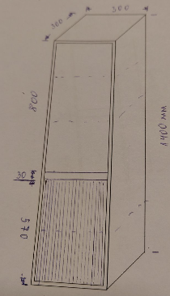 |  |  | 300*300*1400 |  | $62.00 | 30 | $1,860 | 0.180 | 5.400 | 59.62 € | 67.60 € | 159.00 лв.
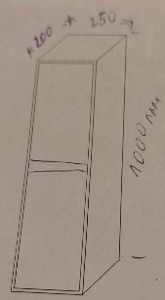 |  |  | 250*200*1000 |  | $44.00 | 30 | $1,320 | 0.079 | 2.370 | 42.31 € | 47.98 € | 113.00 лв.
 |  |  | 250*180*1200 |  | $60.00 | 30 | $1,800 | 0.090 | 2.700 | 57.69 € | 65.42 € | 154.00 лв.
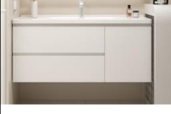 | 7102B | only 2 drawers, without door.Cabinet without sink is 54cm, first drawer is 11cm ,second drawer is 14-15cm | 600*480*540 |  | $90.00 | 30 | $2,700 | 0.200 | 6.000 | 86.54 € | 98.13 € | 231.00 лв.
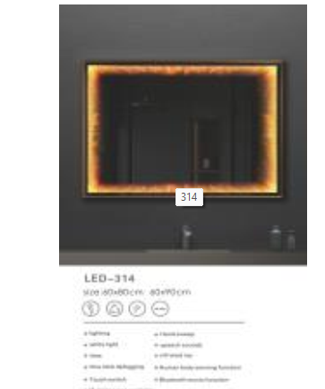 | 314 | 1.Installation: Wall-mounted, with 2 hooks 2.Lamp Type: water proof LED light 3.Switch Type: touch switch 4.Input:110V-240V， AC:50/60Hz 5.frame:Aluminumn 6.silver mirror: 5 mm Edge Polished 7.CE Rhos Led driver,2 years guarrantee 8, 3D LED MIRROR | 800*600 |  | $50.00 | 5 | $250 | 0.032 | 0.160 | 48.08 € | 55.05 € | 130.00 лв.
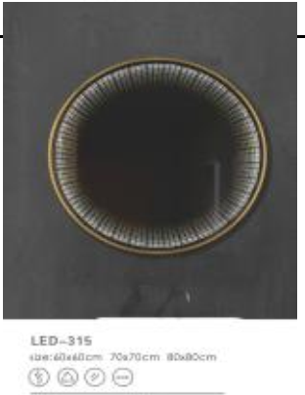 | 315 | 1.Installation: Wall-mounted, with 2 hooks 2.Lamp Type: water proof LED light 3.Switch Type: touch switch 4.Input:110V-240V， AC:50/60Hz 5.frame:with GOLD Aluminumn 6.silver mirror: 5 mm Edge Polished 7.CE Rhos Led driver,2 years guarrantee 8. 3D LED MIRROR | 800*800 |  | $59.00 | 5 | $295 | 0.040 | 0.200 | 56.73 € | 64.96 € | 153.00 лв.
плоскости
TOTAL |  |  |  |  |  |  | $78,847 |  | 130.025

